Sheet1
Test Case ID |  | TC_Practical-001 | Test Case Desc | Test the functionality of windows calculator
Created By |  | Ritika Ghogare | Reviewed By | Shreya Jaiswal |  | Version:1.0
Tester's Name |  |  | Date Tested |  |  | Test Case Status (Passed/Failed/NE)

# | Prerequisites: |  |  | # | Test Data
1 | Window Operating System |  |  | 1
2 | Calculator Aplication |  |  | 2
3 |  |  |  | 3
4 |  |  |  | 4

Test Scenario | Test entire functionality of Calculator Application

Step # | Step Details |  | Expected Results | Actual Results |  |  | Pass / Fail / Not executed / Suspended
1 | Type "Calculator" on search box of task bar |  | Verify that you seen this application icon.
2 | Click "calculator Application" |  | 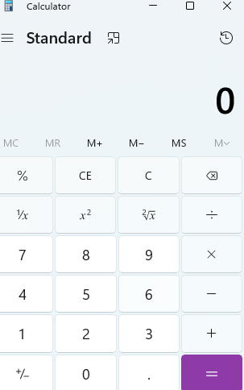 Verify that the Application is open
3 | Add to possitive integer a) Click 5 + 3= |  | Verify the Addition result is" 7" .
4 | For Clear Screen Every single operation perfrom after clear the calculator sreen Click "c"(Clear) or "CE"(Clear entity). |  | Verify the display 0 (zero) .
5 | Subtraction a) Click 5-3= |  | Verify the Subtraction result is "2" .
6 | Multiplication Click 5*3= |  | Verify the Multiplication result is "15"
7 | Division Click 5/3= |  | Verify the Division result is "1.67" .
8 | Decimal /floating point Addition Click 6.6+4.25= |  | Verify the Decimal point result is "10.85" .
9 | Decimal point Subtraction Click 6.6-4.25= |  | Verify the result is "2.35" .
10 | Decimal point Multiplication Click 6.6*4.25= |  | Verify the result is "28.05".
11 | Decimal point Division Click 6.6/4.25= |  | Verify the result is "1.55" .
12 | Division by zero Click 6/0= |  | Verify the Shows this messeage "Can not divide by zero" .
13 | Add possitive and negative integer Enter5+(-3)= |  | Verify the result is 2
14 | click 5-0= 5+0= |  | Verify the result is 5
15 | Click 5*0= |  | Verify the result is 0
16 | For Square Root Click on x2 |  | Verify that you will see the square of given number.
17 | Store and recall value Click 66-->MS-->C-->MR |  | verify the display value is 66.
18 | Memory Clear Click 66-->MS-->MC-->MR |  | Verify the display shows 0 or Blanck .
19 | Memory Add Click 10-->MS-->Click 5-->M+-->MR |  | Verify the display 15.
20 | Memory subtration Click 10-->MS-->Click 3-->M- -->MR |  | Verify the display shows 7.
21 | Click on |  | Verify that you will see the square root of given number.

